Sheet1
BACK SLOPE DEPTH CALCULATOR

To use, simply enter the required measurements in |  |  |  |  | BLUE | bordered boxes as shown:
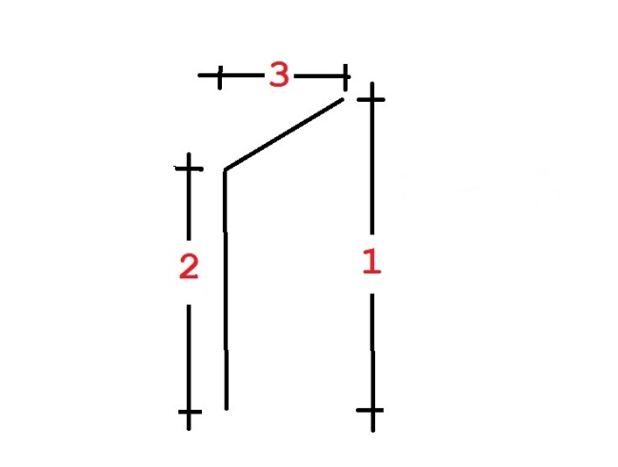

The above drawing is ILLUSTRATIVE ONLY and not to your entered scale.

 | 1 | Height of room |  | 2370

 | 2 | Height of back wall |  | 1661

 | 3 | Depth of slope |  | 740

CLEARANCE OF | 540 | AT | 2032 | HIGH | REQUIRES ROBES |  | 927 | DEEP

Height of robes at a depth of |  |  | 662 | = | 2295

To calculate DEPTH OF SLOPE at any other height, enter the required height below:

Depth of slope at a height of |  |  | 1790 | = | 605

REMEMBER: This calculator can only be as accurate as YOUR MEASUREMENTS

709 | 43.774397342 | 46.225602658 | 1.0437235543 | 338 | 580
352.77856135 | 605.3596615 | 187.22143865 | -65.359661495 | 927.22143865 | 674.6403385

